GLSN of 2015_Increasing removal
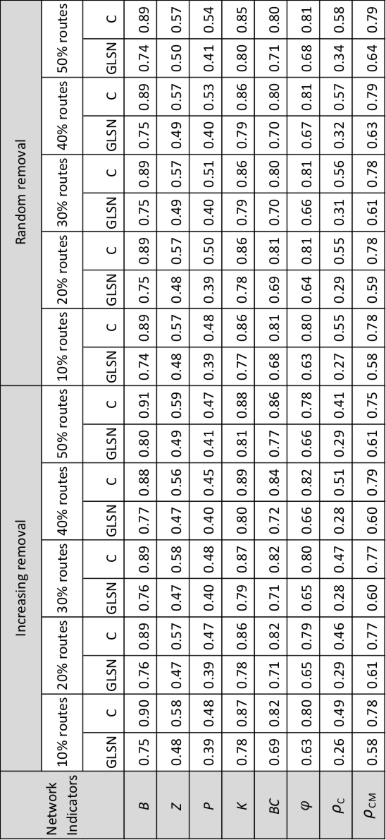
Network indicators | percent of removed routes | GLSN | C
B | 10 | 0.75 | 0.9
 | 20 | 0.76 | 0.89
 | 30 | 0.76 | 0.89
 | 40 | 0.77 | 0.88
 | 50 | 0.8 | 0.91
BC | 10 | 0.69 | 0.82
 | 20 | 0.71 | 0.82
 | 30 | 0.71 | 0.82
 | 40 | 0.72 | 0.84
 | 50 | 0.77 | 0.86
K | 10 | 0.78 | 0.87
 | 20 | 0.78 | 0.86
 | 30 | 0.79 | 0.87
 | 40 | 0.8 | 0.89
 | 50 | 0.81 | 0.88
P | 10 | 0.39 | 0.48
 | 20 | 0.39 | 0.47
 | 30 | 0.4 | 0.48
 | 40 | 0.4 | 0.45
 | 50 | 0.41 | 0.47
Z | 10 | 0.48 | 0.58
 | 20 | 0.47 | 0.57
 | 30 | 0.47 | 0.58
 | 40 | 0.47 | 0.56
 | 50 | 0.49 | 0.59
phi | 10 | 0.63 | 0.8
 | 20 | 0.65 | 0.79
 | 30 | 0.65 | 0.8
 | 40 | 0.66 | 0.82
 | 50 | 0.66 | 0.78
rho_C | 10 | 0.26 | 0.49
 | 20 | 0.29 | 0.46
 | 30 | 0.28 | 0.47
 | 40 | 0.28 | 0.51
 | 50 | 0.29 | 0.41
rho_CM | 10 | 0.58 | 0.78
 | 20 | 0.61 | 0.77
 | 30 | 0.6 | 0.77
 | 40 | 0.6 | 0.79
 | 50 | 0.61 | 0.75

